Penalty details
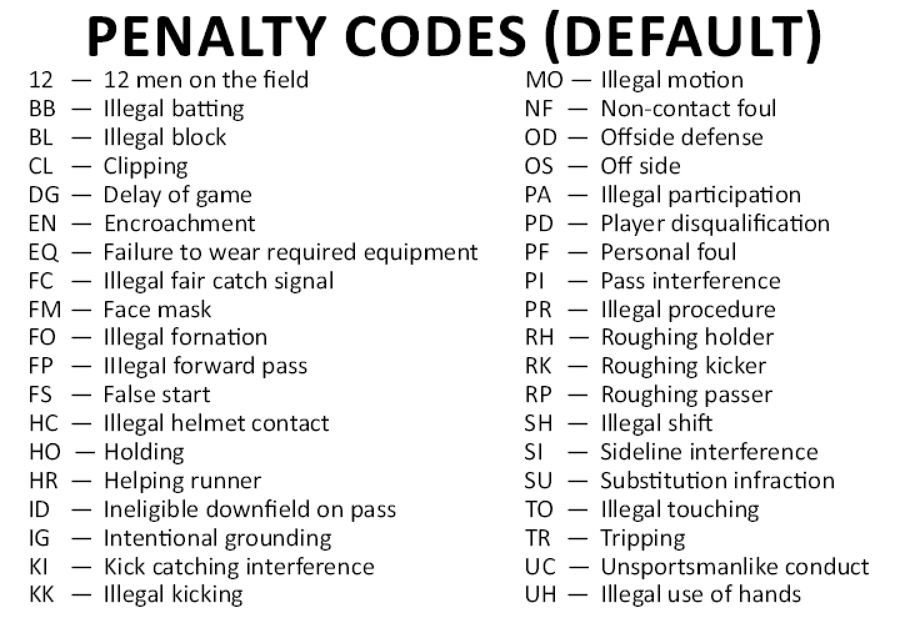
Approach | Penalty Types | inplay | team | Point of Measurement | yards | down | offsettable? | Declinable?
 | back field in motion | (Pre-Snap) | (Offensive) | LOS | 5 yards | 0 | N | Y
 | clipping | (In-Play) | (Offensive) | SOF | 15 yards | 0 | Y | Y
 | delay of game | (Pre-Snap) | (Offensive) | LOS | 5 yards | 0 | N | Y
 | Encroachment | (Pre-Snap) | (Offensive) | Line of Scrimmage (LOS) | 5 yards | 0 | N | Y
match to defensive. If wrong by small chance, will show alert in validation | face mask | (In-Play) | (*Mostly Defensive) | SOF | 15 yards | 1 | Y | Y
 | failure to wear required equipment | N | *Charged with a timeout
 | fair catch interference | (In-Play) | (Special Teams) | LOS (25) / SOF | 15 yards | 1 | Y | Y
 | fair catch violation | (In-Play) | (Special Teams) | SOF | 5 yards | 0 | Y | Y
 | false start | (Pre-Snap) | (Offensive) | LOS | 5 yards | 0 | N | Y
 | helmet to helmet collision/targeting | (In-Play) | (*Mostly Defensive) | SOF | 15 yards | 1 | Y | Y
 | helping runner | (In-Play) | (Offensive) | LOS / SOF | 5 yards | 0 | Y | Y
 | defensive holding | (In-Play) | (Defensive) | LOS | 10 yards | 1 | Y | Y
 | offensive holding | (In-Play) | (Offensive) | LOS / Spot of foul (SOF) | 10 yards | 0 | Y | Y
 | horse collar tackle | (In-Play) | (Defensive) | SOF | 15 yards | 1 | Y | Y
 | illegal block | (In-Play) | (Offensive) | LOS / SOF | 10 yards | 0 | Y | Y
 | illegal formation | (Pre-Snap) | (Offensive) | LOS | 5 yards | 0 | N | Y
 | illegal forward pass | (In-Play) | (Offensive) | LOS | 5 yards | 0 | Y | Y
 | illegal helmet contact | (In-Play) | (Offensive/Defensive) | LOS / SOF | 15 yards | 1 | Y | Y
 | illegal kicking | (In-Play) | (Offensive/Defensive) | SOF | 5 yards | 0 | Y | Y
 | illegal motion | (Pre-Snap) | (Offensive) | LOS | 5 yards | 0 | N | Y
 | illegal participation/substitution | (Pre-Snap) | (Offensive/Defensive) | LOS | 5 yards | 0 | N | Y
 | illegal procedure | (Pre-Snap) | (Offensive) | LOS | 5 yards | 0 | N | Y
 | illegal shift | (Pre-Snap) | (Offensive) | LOS | 5 yards | 0 | N | Y
 | illegal touching | (In-Play) | (Offensive) | LOS | 5 yards | 0 | Y | Y
 | illegal use of hands | (In-Play) | (Offensive/Defensive) | LOS | 10 yards | 0 | Y | Y
 | ineligible downfield on pass | (In-Play) | (Offensive) | LOS | 5 yards | 0 | Y | Y
 | intentional grounding | (In-Play) | (Offensive) | SOF | Loss of down | 0 | Y | Y
 | kick catching interference | (In-Play) | (Special Teams) | SOF | 15 yards | 0 | Y | Y
 | kickoff out of bounds | (In-Play) | (Special Teams) | LOS | 5 yards | 1 | N | Y
 | noncontact foul | (In-Play) | (Offensive/Defensive) | SOF | 15 yards | 1 | Y | Y
 | offside | (Pre-Snap) | (Defensive) | LOS | 5 yards | 0 | N | Y
 | pass interference | (In-Play) | (Offensive/Defensive) | LOS / SOF | 15 yards | 1 | Y | Y
 | personal foul | (In-Play/Post-Play) | (Offensive/Defensive) | SOF | 15 yards | 1 | Y | Y
 | piling on | (Post-Play) | (Offensive/Defensive) | SOF | 15 yards | 1 | Y | Y
 | player disqualification | N | (Offensive/Defensive) | LOS | 15 yards | 1 | N | N
 | roughing the holder | (In-Play) | (Defensive) | LOS | 15 yards | 1 | Y | Y
 | roughing the kicker | (In-Play) | (Defensive) | LOS | 15 yards | 1 | Y | Y
 | roughing the passer | (In-Play/Post-Play) | (Defensive) | LOS | 15 yards | 1 | Y | Y
 | sideline interference | (In-Play) | (Offensive/Defensive) | LOS | Progressive (5 yards then 15 yards) | 0 | N | N | Sideline: 1st warning is 5 yards and so on.
 | substitution infraction | (Pre-Snap) | (Offensive/Defensive) | LOS | 5 yards | 0 | N | Y
 | too many on the field | (Pre-Snap) | (Offensive/Defensive) | LOS | 5 yards | 0 | N | Y
 | too much time | (Pre-Snap) | (Offensive/Defensive) | LOS | 5 yards | 0 | N | Y
 | tripping | (In-Play) | (Offensive/Defensive) | LOS / SOF | 15 yards | 1 | Y | Y
 | unsportsmanlike conduct | N | (Offensive/Defensive) | LOS | 15 yards | 1 | Y | Y

